Data 3. Benefit cap analysis
Benefit Analysis 2014 (Non working households)
 |  |  | Universal Credit |  |  | Outside universal credit
 | Bed rooms required | Bed spaces required | Income support personal allowance | Child tax credit at 2014 levels | Child Benefit*2 | Council tax benefits*3 | Maximum Household benefits Universal credit cap level at 2013 levels*4 | Total benefits claimed excluding Housing costs | Remainder of benefits available for Rent & Service Charge
Single under 25 | 0 | 1 | 57.35 |  |  |  | £350.00 | £57.35 | £292.65
Single over 25 | 1 | 1 | 72.40 |  |  |  | £350.00 | £72.40 | £277.60
Couple with no dependants | 1 | 2 | 112.55 |  |  |  | £500.00 | £112.55 | £387.45
Couple with 1 child | 2 | 3 | 112.55 | 63.37 | 20.50 |  | £500.00 | £196.42 | £303.58
Couple with 2 children | 2 | 4 | 112.55 | 116.25 | 34.05 |  | £500.00 | £262.85 | £237.15
Couple with 3 children | 3 | 5 | 112.55 | 169.13 | 47.60 |  | £500.00 | £329.28 | £170.72
Couple with 4 children | 3 | 6 | 112.55 | 222.02 | 61.15 |  | £500.00 | £395.72 | £104.28
Couple with 5 children | 4 | 7 | 112.55 | 274.90 | 74.70 |  | £500.00 | £462.15 | £37.85
Couple with 6 children | 4 | 8 | 112.55 | 327.79 | 88.25 |  | £500.00 | £528.59 | -£28.59
Single parent with 1 child | 2 | 3 | 72.40 | 63.37 | 20.50 |  | £500.00 | £156.27 | £343.73
Single parent with 2 children | 2 | 3 | 72.40 | 116.25 | 34.05 |  | £500.00 | £222.70 | £277.30
Single parent with 3 children | 3 | 4 | 72.40 | 169.13 | 47.60 |  | £500.00 | £289.13 | £210.87
Single parent with 4 children | 3 | 5 | 72.40 | 222.02 | 61.15 |  | £500.00 | £355.57 | £144.43
Single parent with 5 children | 4 | 6 | 72.40 | 274.90 | 74.70 |  | £500.00 | £422.00 | £78.00
Single parent with 6 children | 4 | 7 | 72.40 | 327.79 | 88.25 |  | £500.00 | £488.44 | £11.56
Lone parent under 18 | 1 | 2 | 57.35 |  |  |  | £500.00 | £57.35 | £442.65
Lone parent over 18 | 1 | 2 | 72.40 |  |  |  | £500.00 | £72.40 | £427.60
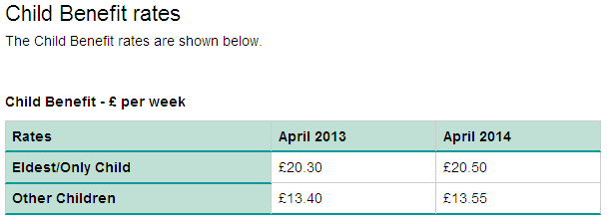
Child tax calculations 2012
(Yearly figures divided by 52 weeks)
Children | Annual | Weekly
Family element (*1) | 545.00 | 10.48
Child element (*No of children) | 2750.00 | 52.88
1 child | 3295.00 | 63.37
2 children | 6045.00 | 116.25
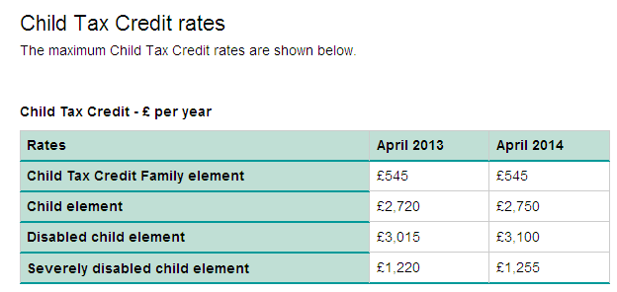
3 children | 8795.00 | 169.13
4 children | 11545.00 | 222.02
5 children | 14295.00 | 274.90
6 children | 17045.00 | 327.79
http://www.hmrc.gov.uk/rates/taxcredits.htm

Income support personal allowance
Status | Age | Weekly payment
Single | 16 to 24 | £57.35
Single | 25 or over | £72.40
Lone parent | 16 to 17 | £57.35
Lone parent | 18 or over | £72.40
Couples | Both under 18 | £56.80
Couples | One under 18, the other 18 to 24 | £56.80 |  |  |  |  | http://www.hmrc.gov.uk/rates/taxcredits.htm
Couples | One under 18, the other 25 or over | £71.70
Couples | Both 18 or over | £112.55

http://www.direct.gov.uk/en/MoneyTaxAndBenefits/BenefitsTaxCreditsAndOtherSupport/On_a_low_income/DG_185670

Notes
*1 Universal credit will replace the child tax credit
*2 There are two separate amounts, with a higher amount for your eldest (or only) child. You get £20.50 a week for your eldest child and £13.55 a week for each of your other children.
*3 Council Tax benefit is not included within the household benefits cap For now, we have assumed that Council tax benefit will be zero as it is to be decided at local authority level
4* This study has used the announced benefit caps of £350 & £500.

